FAI

Customer |  | PO # | 5284 | Date Prepared | 2026-03-26 | First Article Report
Part Name | Magnet N42 | Samples | 10 | Prepared by: | Meng
Part Number | 12714-03011 | Inch or mm | Inch | Revision | 1
FAI | Type (Diameter Length Position etc.) | Nominal | + Tolerance | - Tolerance | High Limit | Low Limit | Method | Mfg. Sample 1 | Mfg. Sample 2 | Mfg. Sample 3 | Mfg. Sample 4 | Mfg. Sample 5 | Mfg. Sample 6 | Mfg. Sample 7 | Mfg. Sample 8 | Mfg. Sample 9 | Mfg. Sample 10
1 | Length | 0.625 | 0.004 | 0.004 | 0.629 | 0.621 | Caliper | 0.6260 | 0.6265 | 0.6255 | 0.6260 | 0.6265 | 0.6255 | 0.6260 | 0.6260 | 0.6255 | 0.6255
2 | Diameter | 0.125 | 0.004 | 0.004 | 0.129 | 0.121 | Caliper | 0.1245 | 0.1255 | 0.1240 | 0.1240 | 0.1240 | 0.1240 | 0.1245 | 0.1245 | 0.1240 | 0.1250

Print Page 1
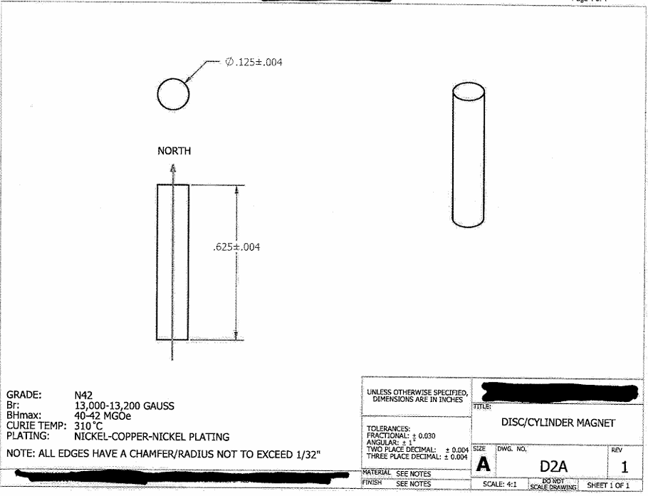

2

1

Print Page 2
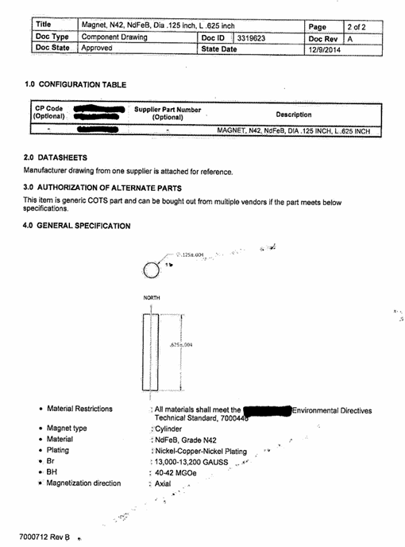

2

1

Tolerance Table
